Sheet1
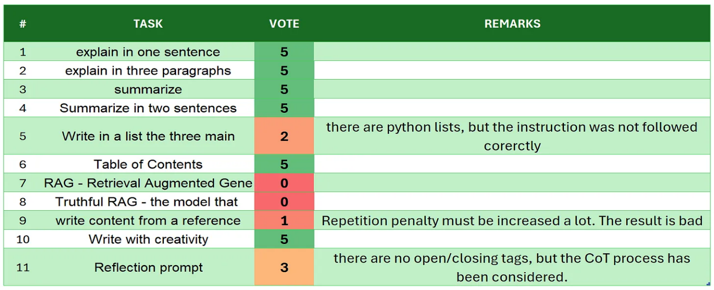
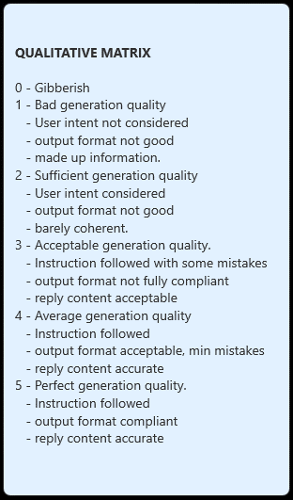
 | DeepSeek-R1-Distill-Qwen-1.5B
# | TASK | VOTE | REMARKS
1 | introduction | 5
2 | explain in one sentence | 5
3 | explain in three paragraphs | 5
4 | say 'I am ready' | 4
5 | summarize | 5
6 | Summarize in two sentences | 3 | there are 3 sentences
7 | Write in a list the three main key points - format output | 5
8 | Table of Contents | 5
9 | RAG | 5
10 | Truthful RAG | 5
11 | write content from a reference | 5
12 | extract 5 topics | 5
13 | Creativity: 1000 words SF story | 3 | not long enough and quite sloppy
14 | Reflection prompt | 5
 | TOTAL | 65
SOURCE: https://github.com/fabiomatricardi/YouAreTheBenchmark/raw/main/DeepSeek%20R1%20Distill%20Qwen%201.5B/DeepSeek-R1-Qwen1.5b_CPP_GMMMY_log.txt

